Prioritization Tool
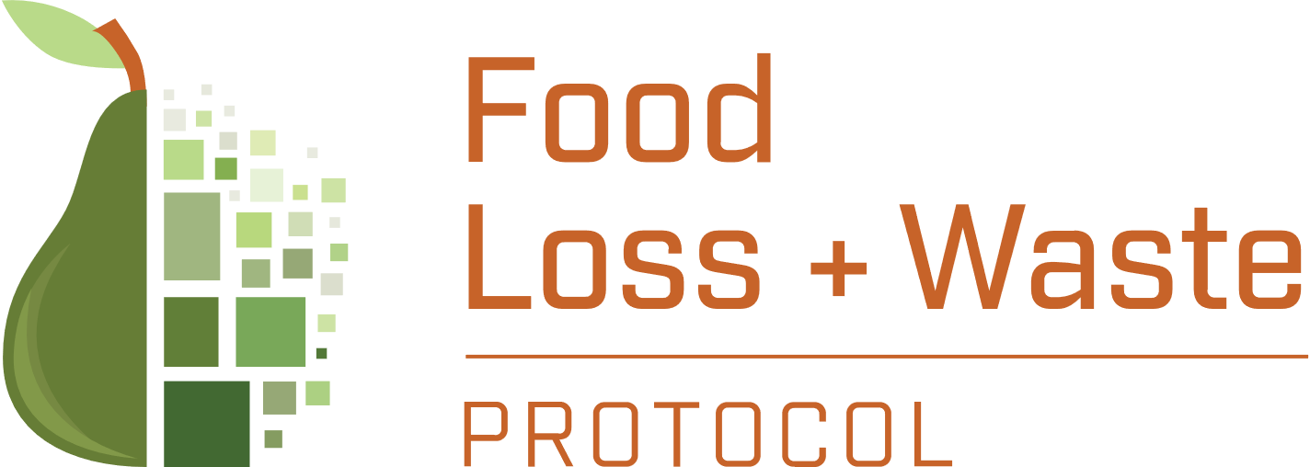

Guidance on Prioritizing Measurement of On-Farm FLW
Prioritization Ranking Tool
Food loss and waste (FLW) occurs throughout the food supply chain, with actions upstream affecting FLW downstream (and vice versa). As more businesses begin measuring the FLW happening within their own operations, they are increasingly working with their suppliers to measure and reduce upstream FLW as well. For example, in the 10x20x30 initiative, ten of the world’s largest food retailers and providers agreed to work with twenty of their priority suppliers to halve FLW by 2030. Measuring farm-level FLW can be a daunting prospect, however. Many businesses engage with a wide range of suppliers and a diverse set of commodities. The set of questions below aim to help companies prioritize on which commmodities to focus. By comparing several commodities with these criteria in mind, a company can assess which commodities to prioritize for on- or near-farm level measurement.

The below questionnaire will help you assess which commodities are most important to prioritize for farm-level measurement. Start by filling in the names of your commodities of interest in the top row. Then, for each question, select the most appropriate answer from the drop-down list for each question, based on your needs and circumstances. The field will then turn a shade of green, yellow or red, depending on how you answer. A commodity with numerous green answers is a commodity that is well-suited for farm-level measurement, while a commodity with numerous red answers may not be well-suited for farm-level measurement.

For more information on how to answer each question, consult the "How To Answer the Questions" tab.

 | Commodity 1 | Commodity 2 | Commodity 3 | Commodity 4 | Commodity 5 | Commodity 6
1. Does the commodity reflect a key aspect or interest for my business?
2. Do I (or a close partner) have direct access to the commodity to perform new measurements if necessary?
3, Do I have close partnerships or relationships with my suppliers of this commodity?
4. Are there existing studies or measurements that I can use as proxy data?
5. Is the absolute amount (by weight) of this commodity purchased or produced by the business high or low, compared to other commodities purchased or produced by my business?
6. Is the economic value of this commodity high or low, compared to other commodities purchased or produced by my business?
7. Does the commodity have significant environmental impacts, compared to other commodities purchased or produced by my business?

The generous financial support of the Walmart Foundation made this guidance possible.

